Arkusz1
TENISÓWKI DAMSKIE

Kod | Zdjęcie | Ean | Pcb/ pairs/ full size | Quantity/ pairs | Quantity/ cartons | Size
HJ-1802 | 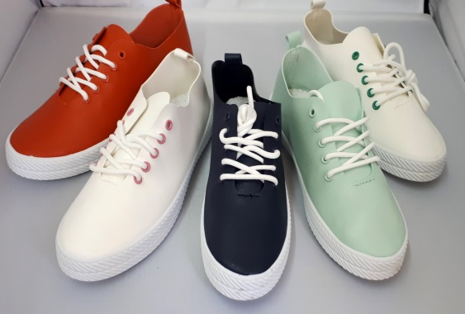 | 5901193804831 | 12 | navy - 720 white- 840 mint - 960 orange - 960 | 290 | 36-41
TD1900-1 | 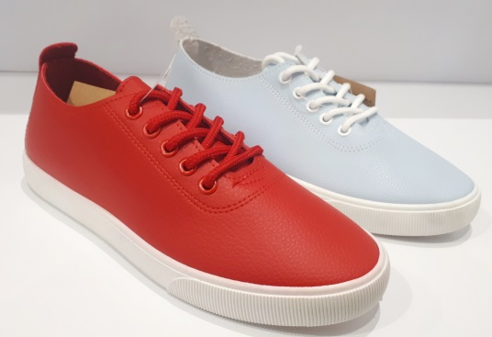 | 5901193827304 | 12 | blue-120 red-120 | 20 | 36-41
OD103 | 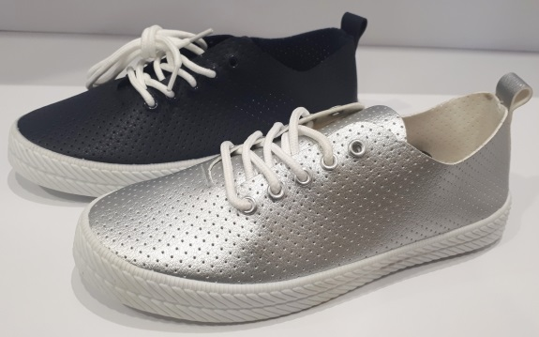 | 5901193802332 | 12 | silver -120 navy - 120 | 20 | 36-41
TD1900-2 | 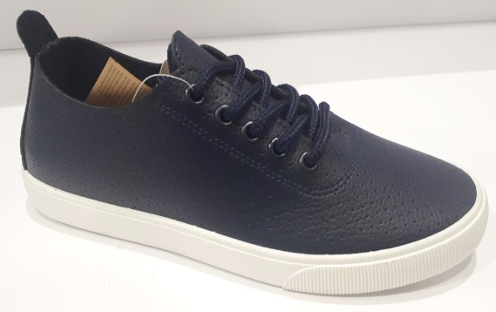 | 5901193827311 | 12 | navy-84 | 7 | 36-41 | 0
CY-002 | 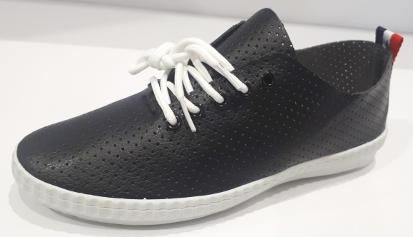 | 5901193806262 | 12 | black -156 | 13 | 36-41
HJ1001 | 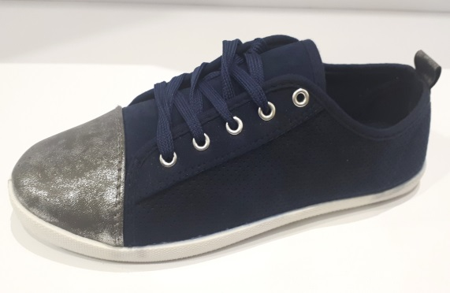 | 5901193804701 | 12 | navy - 240 | 20 | 34-41
CY-001 | 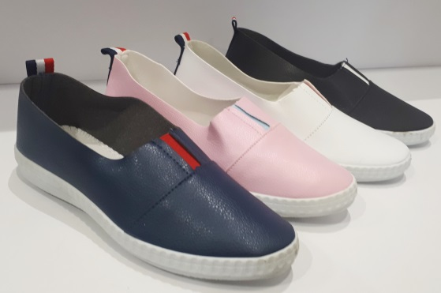 | 5901193806255 | 12 | pink -72 white - 72 black - 36 navy - 84 | 22 | 36-41
TD1900-1-W | 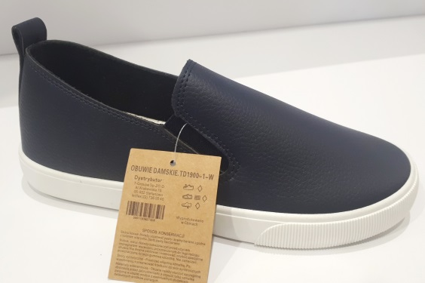 | 5901193827328 | 12 | navy-240 | 20 | 36-41
TD1900-2-W | 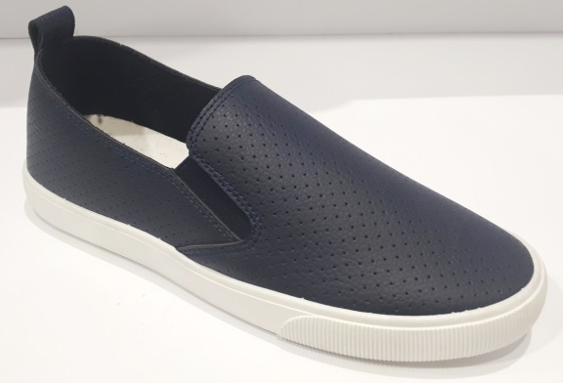 | 5901193827335 | 12 | navy-60 | 5 | 36-41
TD1900-5 | 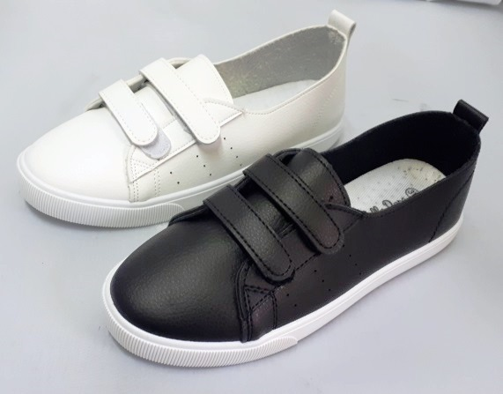 | 5901193827342 | 12 | white - 240 black- 240 | 40 | 36-41
 | 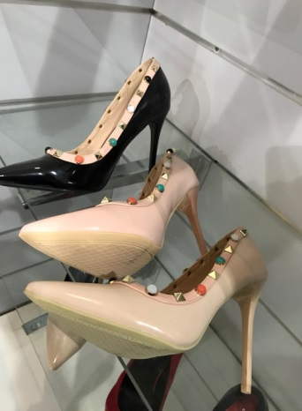 |  | 8 | black -480 pink - 360 beige - 360 | 150 | 36-41
TD 01 | 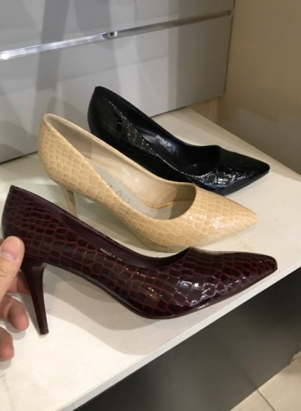 |  | 8 | black - 80 brown - 120 beige - 120 | 40 | 36-41
6308 | 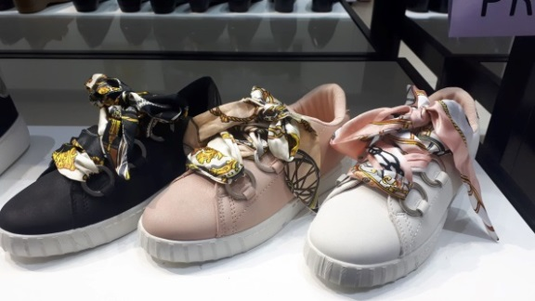 |  | 12 | black- 948 pink - 420 white - 408 | 148 | 36-41
6303 | 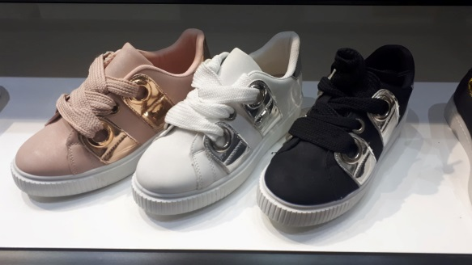 |  | 12 | pink -24 white - 216 black - 456 | 58 | 36-41
6306/6273 | 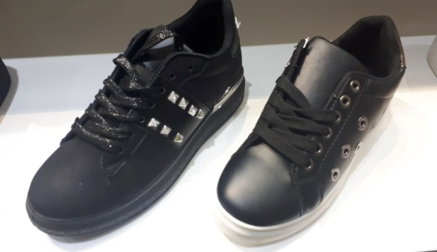 |  | 12 | black - 48 black -204 | 21
6304 | 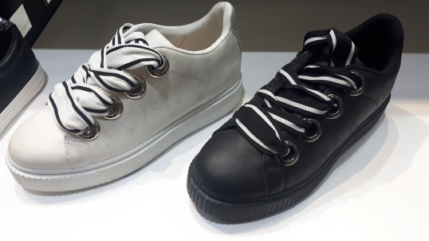 |  | 12 | white - 144 black -288 | 36 | 36-41
A1101 | 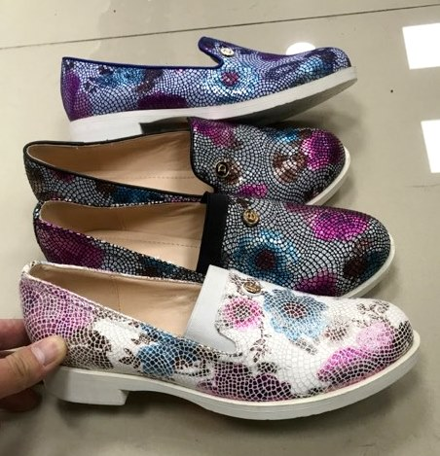 |  | 12 | white - 360 black - 480 navy - 240 blue - 480 | 130
A1102 | 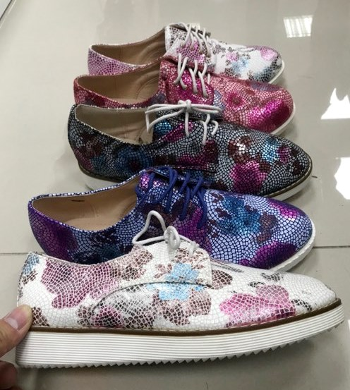 |  | 12 | white - 480 blue - 480 black - 480 red - 360 | 150
A1103 | 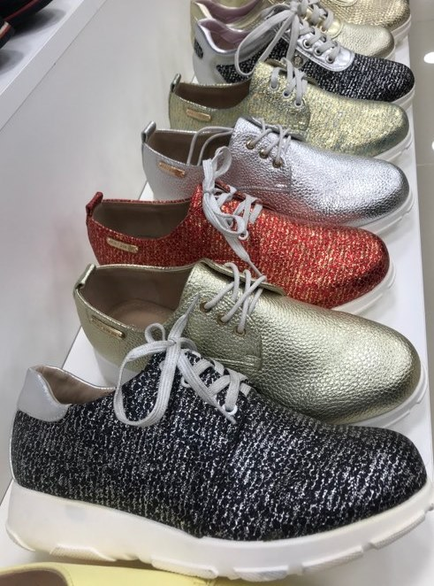 |  | 12 | black - 240 gold - 480 red - 360 silver - 360 | 120

 |  |  | Total | 14960 pairs | 1310

